Cover Page
PROJECT 2 - SHUBHAM KARDE

Hotel_Dataset
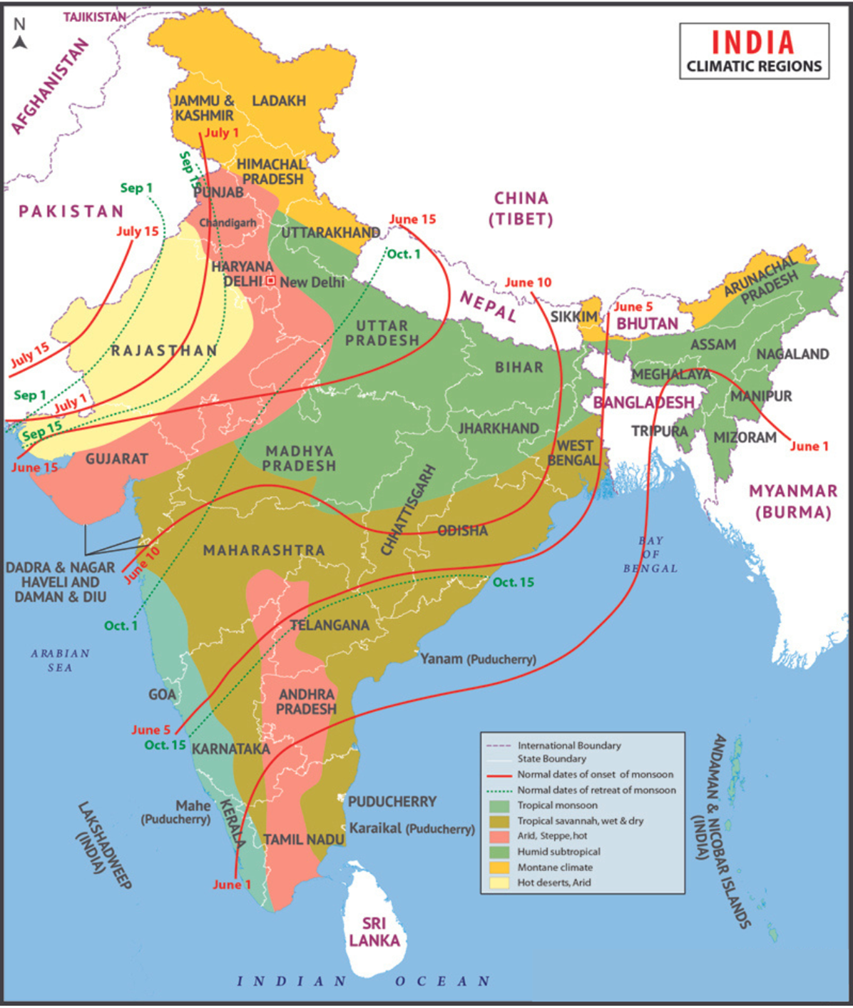
Serial No. | States | No of Hotels
1 | Andhra Pradesh | 34000
2 | Arunachal Pradesh India | 5000
3 | Assam | 25000
4 | Bihar | 4000
5 | Chhattisgarh | 25000
6 | Goa | 44000
7 | Gujarat | 107000
8 | Haryana | 48000
9 | Himachal Pradesh | 83000
10 | Jharkhand | 4000
11 | Karnataka | 40000
12 | Kerala | 672000
13 | Madhya Pradesh | 14000
14 | Maharashtra | 102000
15 | Manipur | 3000
16 | Meghalaya | 2000
17 | Mizoram | 1000
18 | Nagaland | 1000
19 | Odisha | 20000
20 | Punjab | 11000
21 | Rajasthan | 72000
22 | Sikkim | 12000
23 | Tamil Nadu | 116000
24 | Telangana | 34000
25 | Tripura | 1000
26 | Uttar Pradesh | 58000
27 | Uttarakhand | 50000
28 | West Bengal | 87000

Q1
Hotels per State
1. Which state has the highest number of hotels? Depict this via a bar graph that compares all states.
Kerala has the highest number of hotels ( 6,72,000 ) as compared to other states. It is also a very evident outlier as per the data if we obsereve the bar chart.
Row Labels | Sum of No of Hotels
Tripura | 1000
Mizoram | 1000
Nagaland | 1000
Meghalaya | 2000
Manipur | 3000
Jharkhand | 4000
Bihar | 4000
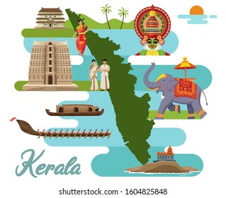
Arunachal Pradesh | 5000
Punjab | 11000
Sikkim | 12000
Madhya Pradesh | 14000
Odisha | 20000
Assam | 25000
Chhattisgarh | 25000
Andhra Pradesh | 34000
Telangana | 34000
Karnataka | 40000
Goa | 44000
Haryana | 48000
Uttarakhand | 50000
Uttar Pradesh | 58000
Rajasthan | 72000
Himachal Pradesh | 83000
West Bengal | 87000
Maharashtra | 102000
Gujarat | 107000
Tamil Nadu | 116000
Kerala | 672000
Grand Total | 1675000

Q2
 | Tropical Wet (Humid) |  | Tropical Dry
States Name | Tropical Monsoon | Tropical Savannah | Tropical Semi - Arid (Steppe) | Subtropical arid (Dessert) | Subtropical semi - arid (Steppe) | Subtropical Humid Climate | Mountain Climate | No. of Climates
Andhra Pradesh |  | Yes | Yes |  |  |  |  | 2
Arunachal Pradesh |  |  |  |  |  | Yes | Yes | 2
Assam |  |  |  |  |  | Yes | Yes | 2
Bihar |  |  |  |  |  | Yes |  | 1
Chhattisgarh |  | Yes |  |  |  | Yes |  | 2
Goa | Yes |  |  |  |  |  |  | 1
Gujarat |  | Yes | Yes | Yes |  |  |  | 3
Haryana |  |  |  | Yes | Yes | Yes |  | 3
Himachal Pradesh |  |  |  |  | Yes | Yes | Yes | 3
Jharkhand |  | Yes |  |  |  | Yes |  | 2
Karnataka | Yes | Yes | Yes |  |  |  |  | 3
Kerala | Yes |  | Yes |  |  |  |  | 2
Madhya Pradesh |  | Yes | Yes |  |  | Yes |  | 3
Maharashtra | Yes | Yes | Yes |  |  | Yes |  | 4
Manipur |  |  |  |  |  | Yes |  | 1
Meghalaya |  |  |  |  |  | Yes |  | 1
Mizoram |  |  |  |  |  | Yes |  | 1
Nagaland |  |  |  |  |  | Yes |  | 1
Odisha |  | Yes |  |  |  | Yes |  | 2
Punjab |  |  |  |  | Yes |  |  | 1
Rajasthan |  |  | Yes | Yes |  |  |  | 2
Sikkim |  |  |  |  |  |  | Yes | 1
Tamil Nadu | Yes | Yes | Yes |  |  |  |  | 3
Telangana |  | Yes | Yes |  |  |  |  | 2
Tripura |  |  |  |  |  | Yes |  | 1
Uttar Pradesh |  |  |  |  | Yes | Yes |  | 2
Uttarakhand |  |  |  |  |  | Yes | Yes | 2
West Bengal |  | Yes |  |  |  | Yes | Yes | 3
2. Which states have three types of climatic conditions? (convert the map, an unstructured data, to an Excel file in a structured format and mention the number of climates along with the state)
States which experience three or more types of climatic conditions as per the provided data are as follows :
Maharashtra ( 4 climates )
Tamil Nadu
Karnataka
Madhya Pradesh
West Bengal
Haryana
Himachal Pradesh
Gujarat

Q3
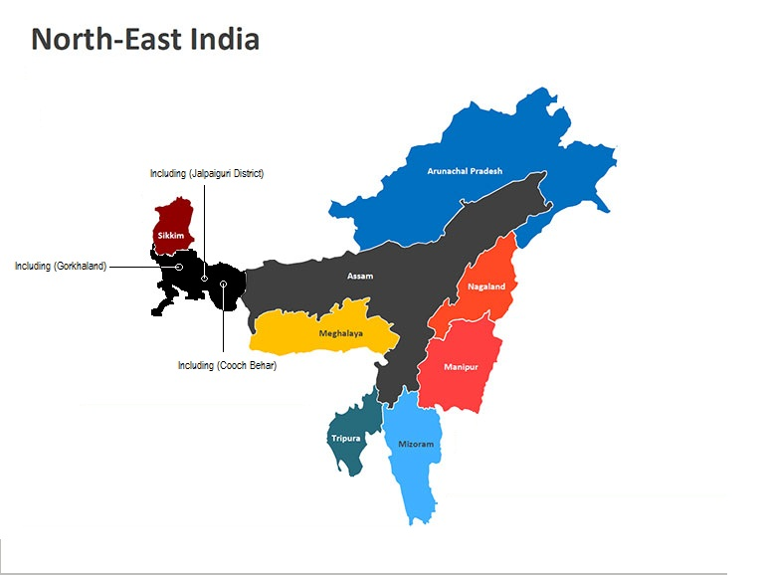
No. of Hotels in North-eastern States
3. Among the North-eastern states which are best to set up a hotel? Use Clustered Column Chart and give recommendations for hotel industry investors.
Most of the Northeastern states only have Subtropical Humid Climate and few states like Assam, Sikkim and Arunachal Pradesh have Mountain climate in some regions as well.
The suitability of setting up a hotel in a particular state would depend on various factors such as infrastructure, accessibility, tourist footfall, and investment opportunities.
We are aware that both Assam and Sikkim are known tourist attraction places, and the data also supports the same ( Number of hotels). We know that these places have been heavily invested by Hotel industry investors. Thus , we can conclude that by the current data we have these states can be potentially be profitable for hotel investment.
However, Just the climate data would be insufficient for us to detetermine where the investors should invest and It is also important to note that setting up a hotel in any of these states would require thorough research, market analysis, and feasibility studies to ensure the investment is viable and profitable.
Northeastern States | No. of hotels
Arunachal Pradesh | 5000
Assam | 25000
Manipur | 3000
Meghalaya | 2000
Mizoram | 1000
Nagaland | 1000
Sikkim | 12000
Tripura | 1000

Q4
Indian States with Above-Average Number of Hotels
 |  |  | States | % of Total Hotels
Row Labels | Sum of No of Hotels | Sum of Average No. Hotels | Andhra Pradesh | 2.03%
Gujarat | 107000 | 59821.428571 | Arunachal Pradesh India | 0.30%
Himachal Pradesh | 83000 | 59821.428571 | Assam | 1.49%
Kerala | 672000 | 59821.428571 | Bihar | 0.24%
Maharashtra | 102000 | 59821.428571 | Chhattisgarh | 1.49%
Rajasthan | 72000 | 59821.428571 | Goa | 2.63%
Tamil Nadu | 116000 | 59821.428571 | Gujarat | 6.39%
West Bengal | 87000 | 59821.428571 | Haryana | 2.87%
Grand Total | 1239000 | 59821.428571 | Himachal Pradesh | 4.96%
 |  |  | Jharkhand | 0.24%
 |  |  | Karnataka | 2.39%
 |  |  | Kerala | 40.12%
 |  |  | Madhya Pradesh | 0.84%
 |  |  | Maharashtra | 6.09%
 |  |  | Manipur | 0.18%
Row Labels | Sum of No of Hotels | Sum of Average No. Hotels | Meghalaya | 0.12%
Andhra Pradesh | 34000 | 59821.428571 | Mizoram | 0.06%
Indian States with Below-Average Number of Hotels
Arunachal Pradesh | 5000 | 59821.428571 | Nagaland | 0.06%
Assam | 25000 | 59821.428571 | Odisha | 1.19%
Bihar | 4000 | 59821.428571 | Punjab | 0.66%
Chhattisgarh | 25000 | 59821.428571 | Rajasthan | 4.30%
Goa | 44000 | 59821.428571 | Sikkim | 0.72%
Haryana | 48000 | 59821.428571 | Tamil Nadu | 6.93%
Jharkhand | 4000 | 59821.428571 | Telangana | 2.03%
Karnataka | 40000 | 59821.428571 | Tripura | 0.06%
Madhya Pradesh | 14000 | 59821.428571 | Uttar Pradesh | 3.46%
Manipur | 3000 | 59821.428571 | Uttarakhand | 2.99%
Meghalaya | 2000 | 59821.428571 | West Bengal | 5.19%
Mizoram | 1000 | 59821.428571
Nagaland | 1000 | 59821.428571
Odisha | 20000 | 59821.428571
Punjab | 11000 | 59821.428571
Sikkim | 12000 | 59821.428571
Telangana | 34000 | 59821.428571
Tripura | 1000 | 59821.428571
Uttar Pradesh | 58000 | 59821.428571
Uttarakhand | 50000 | 59821.428571
Grand Total | 436000 | 59821.428571

Q5

0
Best state for setting up a hotel
There is no one-size-fits-all answer to this question as the best state for setting up a hotel in India can depend on various factors such as location, target market, budget, and the purpose of the hotel. However, some of the most popular states for setting up a hotel in India are:

Goa: Goa is a popular tourist destination known for its beaches, nightlife, and Portuguese architecture. It has a well-established tourism industry and attracts a large number of domestic and international tourists. Setting up a hotel in Goa can be a good option for those targeting the luxury or mid-range markets.
Rajasthan: Rajasthan is known for its rich cultural heritage, historical sites, and palaces. It attracts a large number of domestic and international tourists, particularly those interested in heritage tourism. Setting up a hotel in Rajasthan can be a good option for those targeting the luxury or mid-range markets.
Himachal Pradesh: Himachal Pradesh is known for its natural beauty, adventure sports, and hill stations. It attracts a large number of domestic and international tourists, particularly those interested in adventure tourism. Setting up a hotel in Himachal Pradesh can be a good option for those targeting the mid-range or budget markets.
Maharashtra: Maharashtra is known for its historical sites, beaches, and hill stations. It attracts a large number of domestic and international tourists, particularly those interested in urban tourism. Setting up a hotel in Maharashtra can be a good option for those targeting the mid-range or luxury markets.

Q6
Average Number of days of Rain
6. What is the average number of days the rainy season lasts in Indian states?
The average number of days the rainy seasons last in Indian states range widely from each other. We can make inferences from the column chart that the Meghalaya has the highest average number of days of rain while Rajasthan has the lowest.
To conclude, we can state that the rainy season in India usually lasts between 3-4 months
States | Number of days of Rain
Andhra Pradesh | 50
Arunachal Pradesh India | 180
Assam | 180
Bihar | 45
Chhattisgarh | 50
Goa | 130
Gujarat | 35
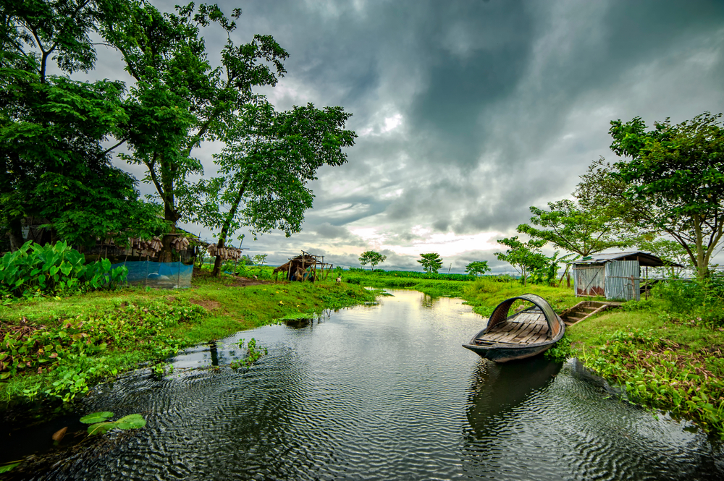
Haryana | 30
Himachal Pradesh | 100
Jharkhand | 45
Karnataka | 70
Kerala | 140
Madhya Pradesh | 45
Maharashtra | 80
Manipur | 140
Meghalaya | 240
Mizoram | 150
Nagaland | 150
Odisha | 140
Punjab | 25
Rajasthan | 15
Sikkim | 160
Tamil Nadu | 70
Telangana | 45
Tripura | 160
Uttar Pradesh | 45
Uttarakhand | 85
West Bengal | 150
 | 98.39

End Page
Thank you

